Charts
Cost Comparison Charts

Total Costs (Alfalfa)
 | Corn Silage
Seed | $-
Fertilizer | $-
Crop Chemicals | $-
Crop Insurance | $-
Crop Miscellaneous | $-
Supplies | $-
Gas/Fuel | $-
Repairs & Maintenance | $-
Custom Hire | $-
Freight & Trucking | $-
Storage | $-
Utilities | $-
Irrigation | $-
Hired Labor | $-
Farm Insurance | $-
Land Rent | $-
Depreciation (Economic) | $-
Other (variable & fixed) | $-
Income Taxes | $-
Owner Withdrawal | $-
Interest (Oper & Term) | $-
Principal Payment | $-
Total Costs (Alfalfa/Grass)
 | Alfalfa Hay
Seed | $-
Fertilizer | $-
Crop Chemicals | $-
Crop Insurance | $-
Crop Miscellaneous | $-
Supplies | $-
Gas/Fuel | $-
Repairs & Maintenance | $-
Custom Hire | $-
Freight & Trucking | $-
Storage | $-
Utilities | $-
Irrigation | $-
Hired Labor | $-
Farm Insurance | $-
Land Rent | $-
Depreciation (Economic) | $-
Other (variable & fixed) | $-
Income Taxes | $-
Owner Withdrawal | $-
Interest (Oper & Term) | $-
Principal Payment | $-

Total Costs (Grass)
 | Alfalfa Hay Seeding
Seed | $-
Fertilizer | $-
Crop Chemicals | $-
Crop Insurance | $-
Crop Miscellaneous | $-
Supplies | $-
Gas/Fuel | $-
Repairs & Maintenance | $-
Custom Hire | $-
Freight & Trucking | $-
Storage | $-
Utilities | $-
Irrigation | $-
Hired Labor | $-
Farm Insurance | $-
Land Rent | $-
Depreciation (Economic) | $-
Other (variable & fixed) | $-
Income Taxes | $-
Owner Withdrawal | $-
Interest (Oper & Term) | $-
Principal Payment | $-

Comparison of Variable and Fixed Costs
 | Variable | Fixed
Alfalfa | $- | $-
Alfalfa/Grass | $- | $-
Grass | $- | $-

Optimization
Optimizing Profitability
 |  | Budget Acres | Acres | Revenue Per Acre | Total Direct & Overhead Cost | Profit Per Acre
 |  |  | (Enter Below)
 | Alfalfa Hay | 0 | 224 | $0.00 | $0.00 | $0.00
 | Alfalfa/Grass Hay | 0 | 244 | $0.00 | $0.00 | $0.00
 | Grass Hay | 0 | 218 | $0.00 | $0.00 | $0.00

 |  |  |  | (Enter Below)
 | Minimum Costs to Cover | $0.00 | <= | $350,000.00 | ¬ Total Cost (goal)
 | Minimum alfalfa hay acres | 224 | >= | 50 | ¬ Minimum alfalfa hay acres (goal)
 | Minimum alfalfa/grass hay acres | 244 | >= | 50 | ¬ Minimum alfalfa/grass hay acres (goal)
 | Minimum grass hay acres | 218 | >= | 50 | ¬ Minimum grass hay acres (goal)
 | Acres | 686 | = | 686 | ¬ Maximum acres allowed

 | Maximized Revenue | $0 | ¬ Use Solver Function

 | Optimization Instructions
 | 1. Enter the acres for consideration in the Optimizer in column D. The acres already on the Crop Budget (Main) tab have been provided for comparison.
 | 2. Note the revenue per are is provided from the Crop Budget (Main) tab for all crops in column G.
 | 3. Enter the minimum goal of acres for each crop in column E.
 | 4. Enter the total acres to be planted across all crops in column E.
 | 5. Click on the Maximized Revenue cell in C15 and run the Solver tool (click on Data on the top toolbar). Solver is pre-programmed, but can be reset using the photo below:
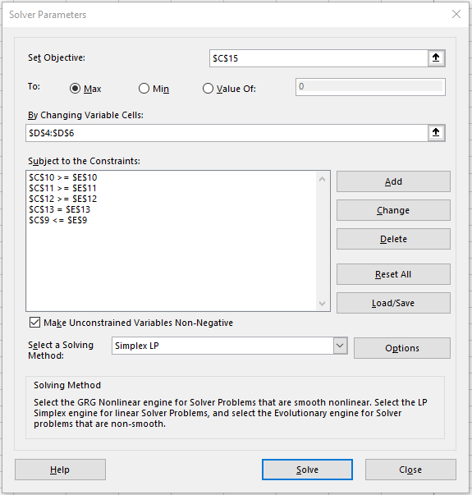

 | 6. After running Solver, the acres will be re-adjusted to maximize the revenue of the combined crops (i.e. alfalfa, alfalfa/grass, grass).

